Sheet1
 |  |  |  | Correction factors
 |  |  |  | Insert Geometries | 1.00 | Entering Angles | 1.00 | Feed Rates | 1.00 |  |  |  | Accuracy grade
Chuck angular velocity (RPM) |  | 1800 |  |  |  |  |  |  |  | Lead angle accuracy (µm) Effective thread length (mm) |  | 50 | C5 Precision Ball Screw
Specific cutting force (N/mm2) | Ks | 2300 |  |  |  |  |  |  |  |  |  | 1250
Depth of cut (mm) | a | 6 |  | References |  | Forces calculation formulas
Feed (mm/rev) | s | 0.5 |  |  |  | Ball screw details
 |  |  |  |  |  | Selecting ball screw guide
Tangential cutting force (N) | FT | 6900 |  |  |  |  |  |  |  | Hand driven (RPM) |  | 120
Fa |  | 3450
Fr |  | 1725 |  |  |  |  |  |  |  |  | Theoretical |  | Selected
 |  |  |  | Z-axis weight (Kg) |  | 50 | Weight (N) | 490.50 |  | Lead (mm) | 7.5 |  | 10
 |  |  |  | X-axis weight (Kg) |  | 25 | Weight (N) | 245.25 |  | Ball screw efficiency |  | n | 0.9
Coefficient of friction metal-metal | µ | 0.16 |  |  |  |  |  |  |  | Motor safety factor |  | 0.75

Z-Axis |  |  |  |  |  |  |  |  |  | X-Axis
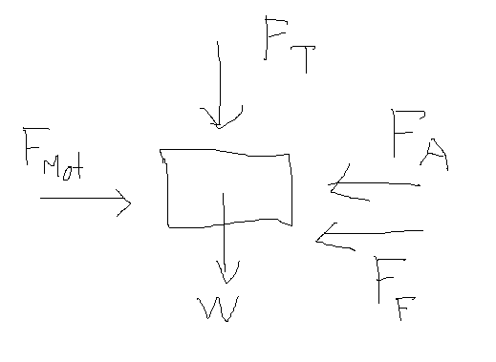 |  |  |  |  |  |  |  |  |  | 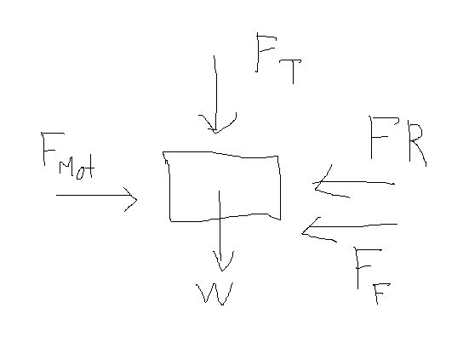
 |  |  | Ff (N) |  | 1182.48 |  |  |  |  |  |  |  |  | Ff (N) | 1143.24

 |  |  | F mot Theoretical (N) |  | 4632.48 |  |  |  |  |  |  |  |  | F mot Theoretical (N) | 2868.24

 |  |  | Torque ball screw (T.m) |  | 8.19 |  |  |  |  |  |  |  |  | Torque ball screw (T.m) | 5.07

 |  |  | Torque motor (T.m) |  | 10.92 |  |  |  |  |  |  |  |  | Torque motor (T.m) | 6.76

